Item 2
Option 2: Repair all roads highlighted in orange and light blue on attached drawing |  | Option 2

$95,351.78

Greenland Construction & Engineering |  | (Lump Sum)
Category | RATE
 | $/Hour | Hours | $
Project Manager | $41.00 | 48 | $1,968.00
Administrative Assistant | $28.85 | 16 | $461.60
Project Controls/CADD/Submittals | $23.00 |  | $0.00
Payroll Admin | $16.00 | 0 | $0.00
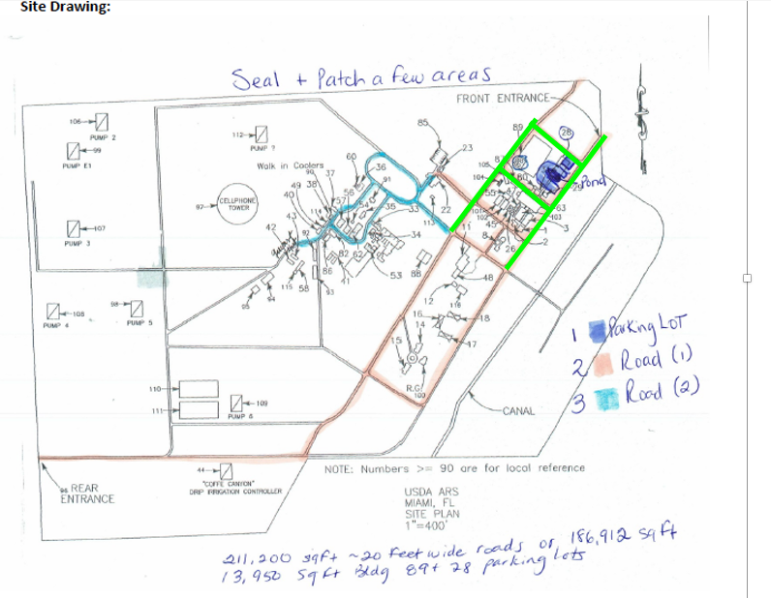
Installation Crew
Crew Leader | $35.00 | 0 | $0.00
Skilled Labor | $28.00 | 0 | $0.00
Labor | $23.00 | 0 | $0.00
Skilled Labor / Operator | $28.00 | 0 | $0.00
Operator | $28.00 | 0 | $0.00

TOTAL DIRECT "L" LABOR |  | 64 | $2,429.60

HOME OFFICE (L) LABOR OVERHEAD | 0.67% |  | $16.28

Total Labor Costs |  | 64 | $2,445.88

Equipment
Portable Facility | $200.00 | 1 | $200.00

Materials
Parking Bumber | $150.00 | 0 | $0.00
MOT | $950.00 | 1 | $950.00

CLINS and Options from Subcontractors |  | sq ft
Reseal Green area per sq ft | $0.30 | 29,910 | $8,973.00
Reseal pink area per sq ft | $0.30 | 157,002 | $47,100.60
Reseal light blue area per sq ft | $0.30 | 24,288 | $7,286.40
Restripe - Bumbers | $50.00 | 10 | $500.00
Road Crack Patching | $1,200.00 | 3 | $3,600.00
Road Undulations | $1,200.00 | 3 | $3,600.00
Edging of Green (per linear feet) | $0.35 | 3,400 | $1,190.00
Edging ofpink (per linear feet) | $0.35 | 7,850 | $2,747.50
Edging oflight blue (per linear feet) | $0.35 | 1,215 | $425.25
TOTAL OTHER DIRECT COSTS |  |  | $76,572.75
TOTAL DIRECT PLUS ODCs |  |  | $79,018.63
G & A | 9.70% |  | $7,664.81
TOTAL COST W/O FEE |  |  | $86,683.44
Fee | 10.00% |  | $8,668.34
TOTAL COST With Fee |  |  | $95,351.78
Bonds |  |  | $0.00
TOTAL COST WITH BONDS |  |  | $95,351.78

